SPEC
 |  |  |  |  |  |  | 68905
ARTICLE | PHOTO | DESCRIPTION | CATEGORY | COMPOSITION | MADE IN | RRP | QTY
01.204.011.00 | 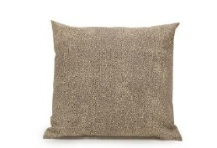 | PILLOW 45X45 | BED LINEN | 100% COTONE / IMBOTTITURA IN POLIESTERE | ITALY | € 18.90 | 3945
01.204.012.00 | 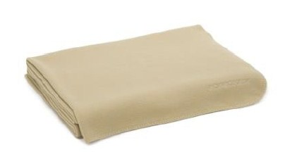 | PLAID DOUBLE FASE 130X170 | BED LINEN | 70% POLIESTERE + 30% VISCOSA | PORTUGAL | € 94.00 | 6037
01.204.013.00 | 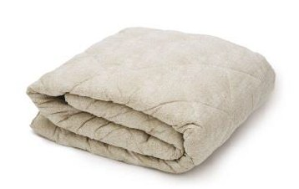 | DOUBLE KILT COVER 260X260 | BED LINEN | 100% COTTON / IMBOTTITURA IN POLIESTERE | ITALY | € 135.90 | 4741
01.434.014.00 | 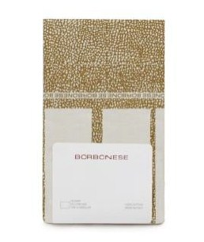 | PILLOW CASE 50X80 | BED LINEN | 100% COTTON | ITALY | € 12.90 | 8182
01.434.015.00 | 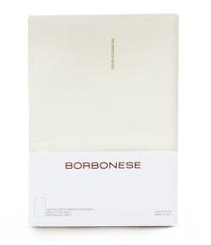 | FITTED SHEET 90X200 | BED LINEN | 100% COTTON | ITALY | € 18.90 | 2617
01.434.016.00 | 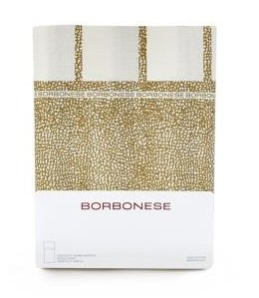 | FLAT SHEET 160X290 | BED LINEN | 100% COTTON | ITALY | € 26.90 | 1549
01.434.017.00 | 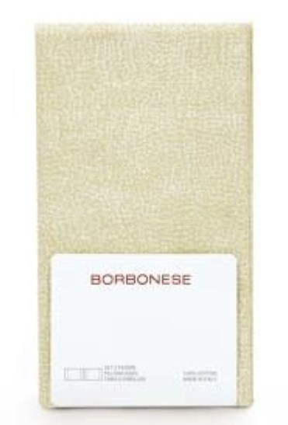 | SET 2 PILLOW CASE 50X80 | BED LINEN | 100% COTTON | ITALY | € 23.90 | 4641
01.434.018.00 | 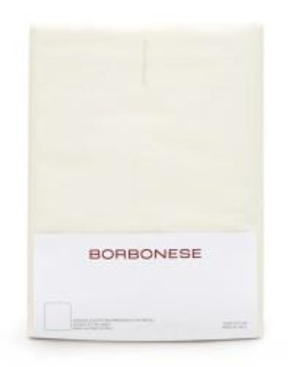 | FITTED SHEET 175X200 | BED LINEN | 100% COTTON | ITALY | € 27.00 | 976
02.023.190.00 | 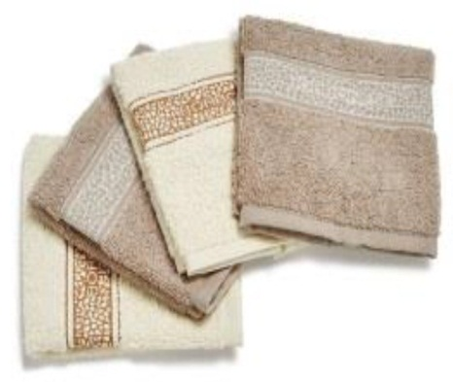 | SET 4 LAVETTE (2BEIGE+2CREAM) 30X30 | TOVELS | 100% COTTON | PORTUGAL | € 18.00 | 12800
02.023.191.00 | 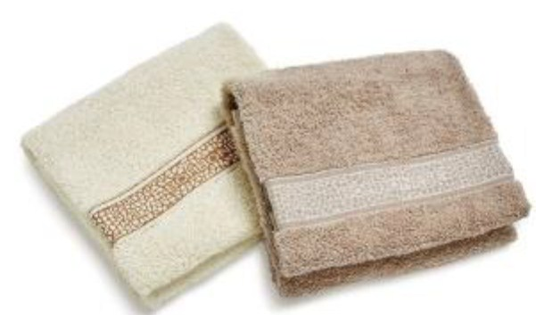 | SET 2 GUEST TOWELS (1BEIGE+1CREAM) 40X60 | TOVELS | 100% COTTON | PORTUGAL | € 19.90 | 4052
02.023.193.00 | 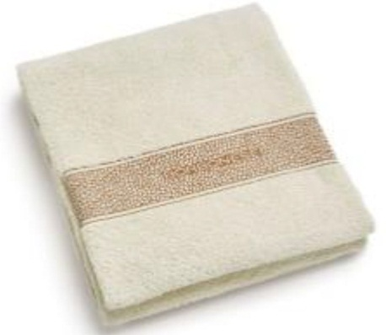 | BATH SHEET CREAM 90X150 | TOVELS | 100% COTTON | PORTUGAL | € 24.50 | 5724
02.023.195.00 | 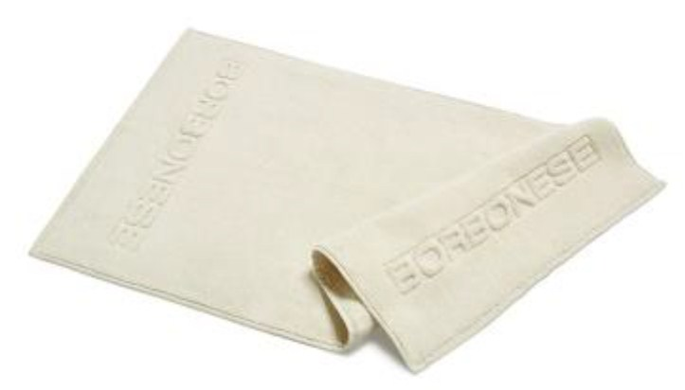 | BATH MAT CREAM 50X80 | TOVELS | 100% COTTON | PORTUGAL | € 33.00 | 13097
02.023.196.00 | 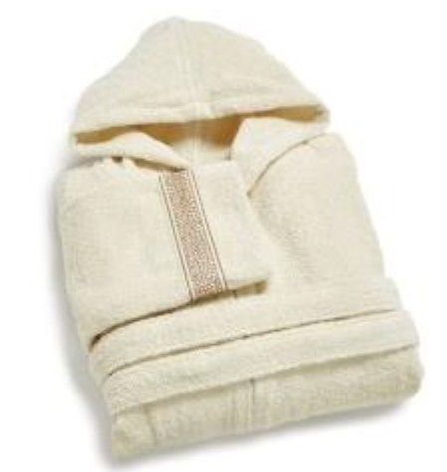 | BATHROBE S/M CREAM | BATHROBE | 100% COTTON | PORTUGAL | € 89.90 | 544

