SPEC
 |  |  |  |  | 630
ARTICLE | PHOTO | COLORE | DISCRIPTION | GENDER | QTY | S | M | L | XL | XXL | 3XL | 4XL
LGI9SY8603 | 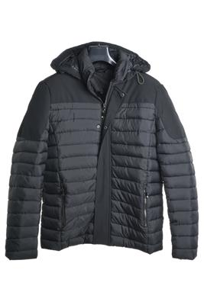 | BLU | DOWN JACKET | MAN | 98 | 14 | 14 | 14 | 14 | 14 | 14 | 14
 |  | NERO | DOWN JACKET | MAN | 98 | 14 | 14 | 14 | 14 | 14 | 14 | 14
 |  | VERDE | DOWN JACKET | MAN | 49 | 7 | 7 | 7 | 7 | 7 | 7 | 7
LGI9786PM | 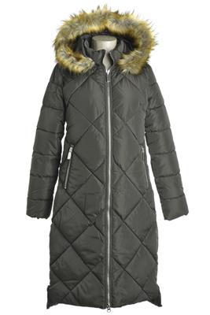 | ARMY | DOWN JACKET | WOMAN | 12 |  | 2 | 2 | 2 | 2 | 2 | 2
 |  | BLACK | DOWN JACKET | WOMAN | 12 |  | 2 | 2 | 2 | 2 | 2 | 2
 |  | BLU | DOWN JACKET | WOMAN | 12 |  | 2 | 2 | 2 | 2 | 2 | 2
SLI8590016D | 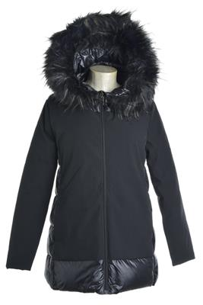 | BLU | DOWN JACKET | WOMAN | 54 | 6 | 12 | 18 | 12 | 6
 |  | NERO | DOWN JACKET | WOMAN | 27 | 3 | 6 | 9 | 6 | 3
MTI8881008A | 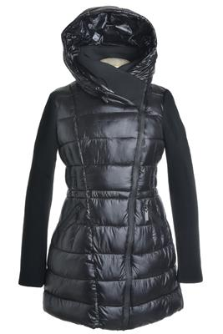 | BLU | DOWN JACKET | WOMAN | 30 | 6 | 6 | 6 | 6 | 6
 |  | GRIGIO | DOWN JACKET | WOMAN | 30 | 6 | 6 | 6 | 6 | 6
 |  | NERO | DOWN JACKET | WOMAN | 60 | 12 | 12 | 12 | 12 | 12
LGI9LB372PM | 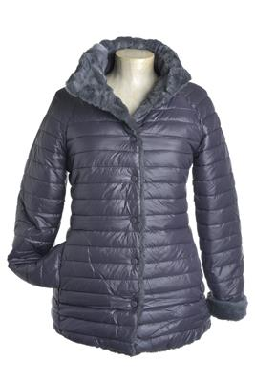 | ARMY | DOWN JACKET | WOMAN | 30 | 6 | 6 | 6 | 6 | 6
 |  | DK GREY | DOWN JACKET | WOMAN | 28 | 5 | 5 | 6 | 6 | 6
LGI9LB378PM | 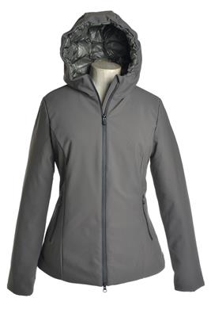 | BEIGE ( GREY GREEN) | DOWN JACKET | WOMAN | 30 | 6 | 6 | 6 | 6 | 6
 |  | BLACK (GREY BLU) | DOWN JACKET | WOMAN | 60 | 12 | 12 | 12 | 12 | 12

